Summary of Climate Change Expen
Climate Change Related Expenditure Tracking Dashboard
 |  |  |  |  |  | Fiscal Year : 2020-21
Khyber Pakhtunkhwa

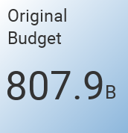

 |  |  |  |  |  |  |  | 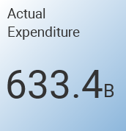

 | Budget Type | Original Budget KPK | CC Related To Orignal | % Original Budget | Final Budget KPK | CC Related to Final Budget | % Final Budget | Actual Expenditure KPK | CC Related Actual Expenditure | % Actual Exp
 | Current | 490625.099 | 33547.8578 | 6.837778554 | 461857.04757 | 32341.657179 | 7.0025254242 | 447162.70671 | 32145.582121 | 7.1887886979
 | Development | 317310.62216 | 56093.762064 | 17.677870877 | 288286.49303 | 60961.574228 | 21.146177744 | 186238.16423 | 44018.954152 | 23.635839804
 | Total | 807935.72116 | 89641.619864 | 11.095142536 | 750143.5406 | 93303.231407 | 12.438050367 | 633400.87094 | 76164.536273 | 12.024697118

 |  |  |  |  |  |  |  | 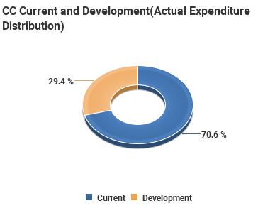
 | 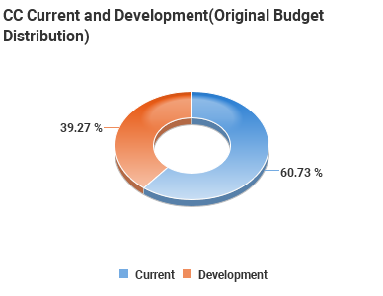

AT GLANCE
 | Climate Change Related Expenditure Tracking Dashboard
 |  |  |  |  |  | Fiscal Year : 2020-21

Khyber Pakhtunkhwa

 |  |  | CC Categories | Original Budget KPK | CC Related To Orignal | % Original Budget | Final Budget KPK | CC Related to Final Budget | % Final Budget | Actual Expenditure KPK | CC Related Actual Expenditure | % Actual Exp
 |  |  | ADAPTATION | 180074.582 | 56888.146424 | 31.591436055 | 156474.99848 | 49249.947717 | 31.474643359 | 128485.53735 | 41374.842557 | 32.201945378
 |  |  | MITIGATION | 30965.566 | 16508.2961 | 53.31178542 | 35679.439151 | 17850.741096 | 50.030890397 | 27016.386237 | 12836.581325 | 47.514057626
 |  |  | NON RELEVANT | 474470.38728 | 0 | 0 | 429085.82644 | 0 | 0 | 362831.32314 | 0 | 0
 |  |  | SUPPORTING AREAS | 122425.18588 | 16245.17734 | 13.26947329 | 128903.27653 | 26202.542594 | 20.32728981 | 115067.62421 | 21953.112391 | 19.078444126
 |  |  | Total | 807935.72116 | 89641.619864 | 11.095142536 | 750143.5406 | 93303.231407 | 12.438050367 | 633400.87094 | 76164.536273 | 12.024697118

 |  |  |  |  |  |  |  | 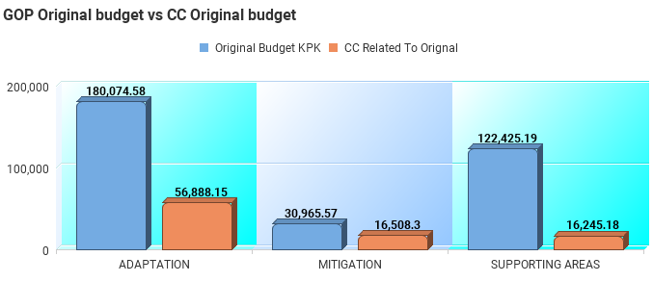

 |  |  | 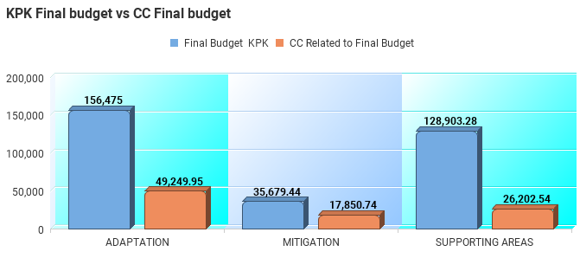

 |  | 